Page Layout
Project Name |  |  |  | Wow tasty |  | User Type |  |  |  |  | User |  |  |  | Writer | Hak Choi
Phase |  |  |  | Requirements programing design |  | Page Name |  |  |  |  | Search Restraunt |  |  |  | Date | 11/20/2012

 | 1. Page layout

 |  | 1 ) layout
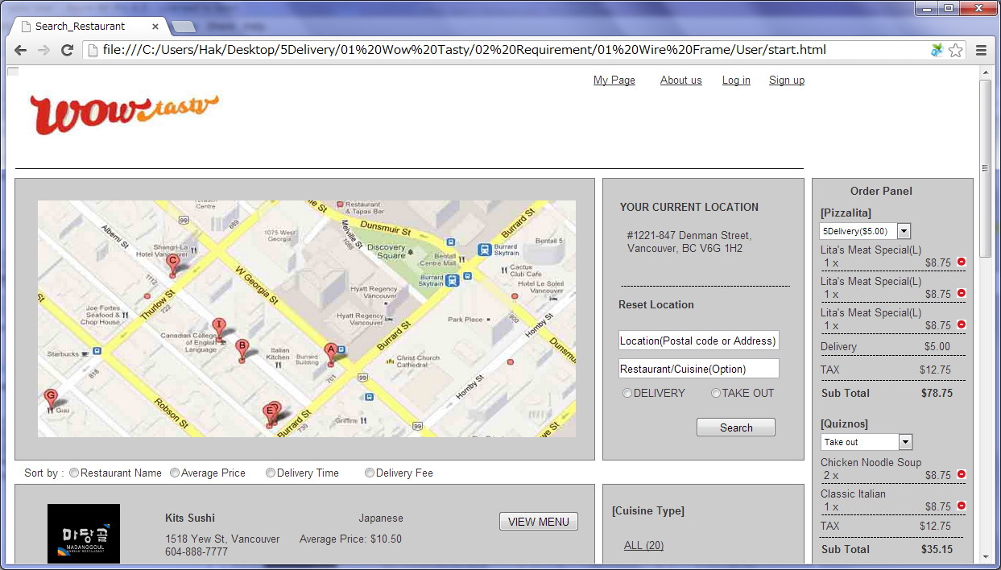

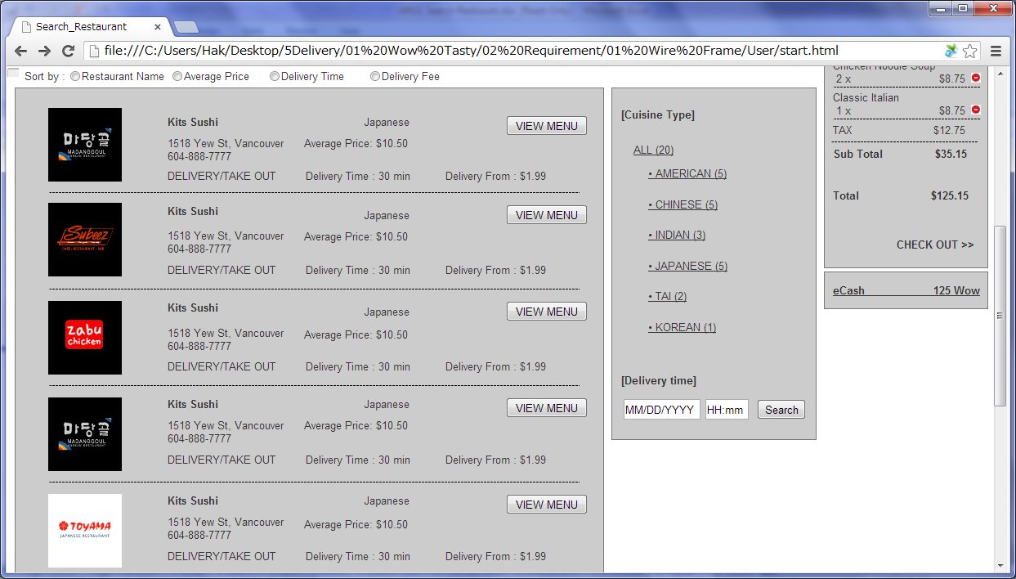

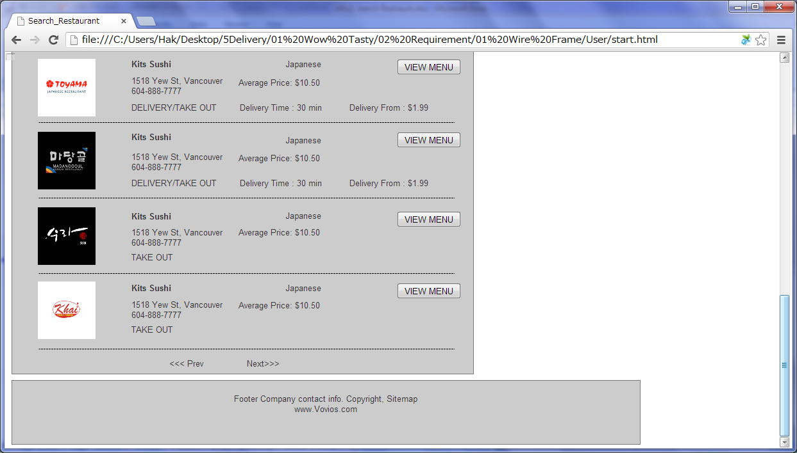

 |  | 2) Field list

 |  | No. | Name |  | Controller |  | Len | Align |  | Default |  | Note
 |  | 1 | Google Map |  | Google Map |  |  |  |  | Vancouver, Robson position |  | -Show restaurants' position on the list below. -Each position shows the restaurant's name, cuisine type, address and telephone number, if the position clicked. -When the list is changed, the positon is to be changed.
 |  | 2 | Your current location |  | Label |  |  |  |  | Vancouver |  | Inputted postal code or address, selected city name
 |  | Reset Location
 |  | 3 | Location(Postal code or Address) |  | Label |  | 100 |  |  | Blank |  | Trim. While writing, show addresses of Canada autocompleted by google places API
 |  | 4 | Restaurant/Cuisine(Option) |  | Label |  | 100 |  |  | Blank |  | Trim. While writing, search restaurant's keyword with inputted keyword
 |  | 5 | Delivery/Take-out |  | Radio button |  |  |  |  | Delivery
 |  | 6 | Search(Reset Location) |  | Button
 |  | Restaurant List
 |  | 7 | Sort |  | Radio button |  |  |  |  |  |  | Ave price, Delivery time, Delivery Fee
 |  | 8 | Logo |  | Image
 |  | 9 | Restaurant Name |  | Link
 |  | 10 | Cuisine Type |  | Link
 |  | 11 | Address |  | Link
 |  | 12 | Telephone |  | Link
 |  | 13 | Average Price |  | Link
 |  | 14 | Restaurant Type |  | Link
 |  | 15 | Delivery Time |  | Link |  |  |  |  |  |  | In case of take out, don't show this.
 |  | 16 | Delivery From |  | Link |  |  |  |  |  |  | In case of take out, don't show this.
 |  | 17 | View Menu |  | Button
 |  | Right Menu
 |  | 18 | Cuisine Type |  | Link |  |  |  |  |  |  | All and each cuisine type + (Restaurant count)
 |  | 19 | Pre-order Time(MM/DD/YYYY) |  | Textfield
 |  | 20 | Pre-order Time(HH:mm) |  | Textfield
 |  | 21 | Search(Delivery Time) |  | Button |  |  |  |  |  |  | Check Open/Close with the inputted delivery time
 |  | Order Panel
 |  | 22 | Restaurant Name |  | Link
 |  | 23 | Delivery/Take out |  | Drop Down |  |  |  |  | 5Delivery or Take out |  | Delivery company list and "Take out"
 |  | 24 | Menu Name |  | Label
 |  | 25 | Menu Amount |  | Label |  |  |  |  |  | 1
 |  | 26 | Menu Price(without Tax) |  | Label |  |  |  |  | 0.00
 |  | 27 | Menu Delete Icon |  | Link
 |  | 28 | Delivery |  | Label |  |  |  |  |  |  | Only if delivery company chosen
 |  | 29 | Tax |  | Label |  |  |  |  | 0.00 |  | Total Tax
 |  | 30 | Sub Total |  | Label |  |  |  |  | 0.00 |  | Total of Restaurant(With Tax)
 |  | 31 | Total |  | Label |  |  |  |  | 0.00 |  | Total(With Tax)
 |  | 32 | Check out |  | Link
 |  | 33 | eCash |  | Link |  |  |  |  | 0
 |  | * If there is no matched record, show "There is no matched record."
 |  | ** Default sort :
 |  | If "Delivery" radio button selected: Restaurant Type(Delivery/Takeout), Open/Close, Ave price, Delivery time, Delivery Fee and Restaurant name.
 |  | If "Take out" radio button selected: Open/Close, Ave price and Restaurant name.

 |  | 3) Validation list

 |  | - Unit validation
 |  | No. | Name |  | Required | Type |  |  | Other |  |  |  |  | Error Message
 |  | 1 | Location(Postal code or Address) |  | Yes | - |  |  | Only when Search(Reset Location) clicked |  |  |  |  | E0001
 |  | 2 | Pre-order Time(MM/DD/YYYY) |  | Yes | - |  |  | Only when Search(Pre-order Time) clicked |  |  |  |  | E0001
 |  | 3 | Pre-order Time(HH:mm) |  | Yes | - |  |  | Only when Search(Pre-order Time) clicked |  |  |  |  | E0001

 |  | - Correlation validation
 |  | No. | Condition |  | Field |  |  |  |  |  | Required |  | Other | Error message

Page Transition
Project Name |  |  |  | Wow tasty |  | User Type |  | User |  |  | Writer |  | Hak Choi
Phase |  |  |  | Requirements programing design |  | Page Name |  | Search Restraunt |  |  | Date |  | 11/20/2012

 | 2. Page Transition

 |  | 1) Event List

 |  | No. | Name |  | Event |  | Condition |  | Destination page
 |  | 1 | Each Position on the map |  | Click |  |  |  | Show the restaurant's information
 |  | 2 | Search(Reset Location) |  | Click |  | Validation OK |  | [Search Restraunt] page
 |  | 3 |  |  |  |  | Validation Error |  | [Search Restraunt] page
 |  | 4 | Sort |  | Click |  |  |  | [Search Restraunt] page
 |  | 5 | Restaurant Menu |  | Click |  |  |  | [Restraunt Menu] page
 |  | 6 | Cuisine Type |  | Click |  |  |  | [Search Restraunt] page
 |  | 7 | Search(Pre-order Time) |  | Click |  | Validation OK |  | [Search Restraunt] page
 |  | 8 |  |  |  |  | Validation Error |  | [Search Restraunt] page
 |  | 9 | Menu Delete Icon |  | Click |  |  |  | [Search Restraunt] page
 |  | 10 | Check out |  | Click |  |  |  | [Order Confirm] page
 |  | 11 | eCash Topup |  | Click |  |  |  | [eCash Topup] page

 |  | 2) Page Transition |  |  |  |  |  |  |  |  |  | page |  | layer

1,2,3,4,6,7,8,9

11
5
 |  |  |  | eCash Topup |  |  | Search Restraunt |  |  | Restraunt Menu

10

 |  |  |  |  |  |  | Order Confirm

